strt_Page
Control Panel
 | 353 | 163 |  | 4 | 181 | 6 |  | 13 | 4

 | Total Weapons Available | Total Outfits Available |  | Total Outfits Types | Total Lootable Weapons | Total Weapon Types |  | Total Factions Count | Total Region Names
Starting Page
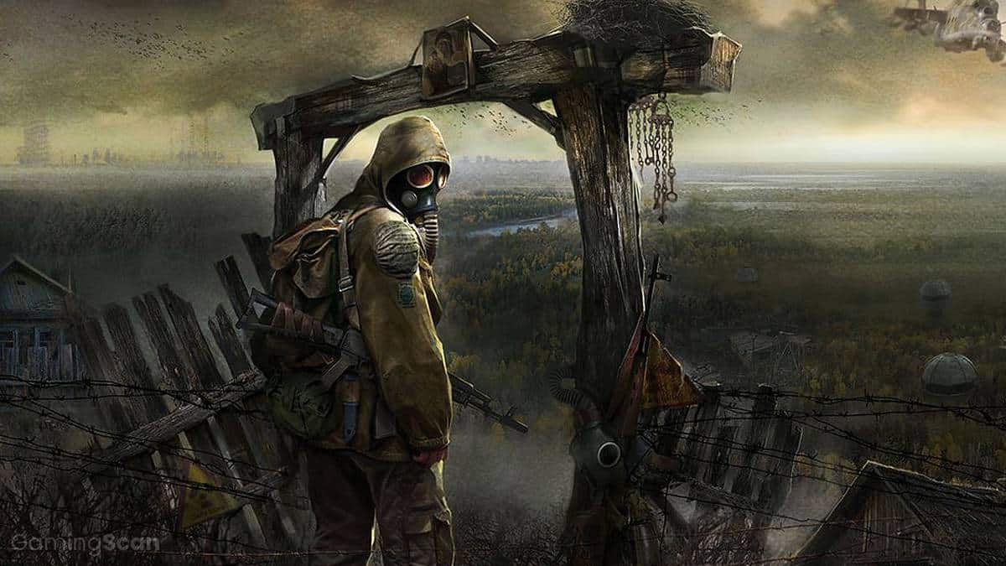
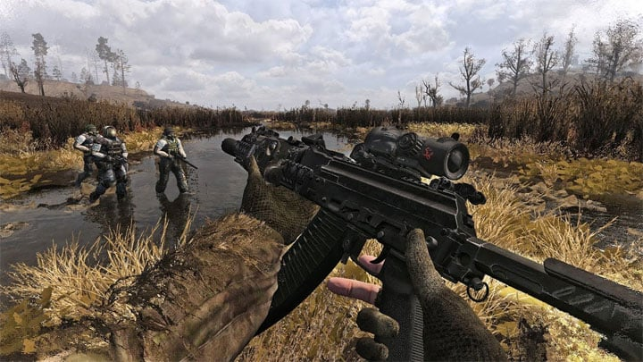
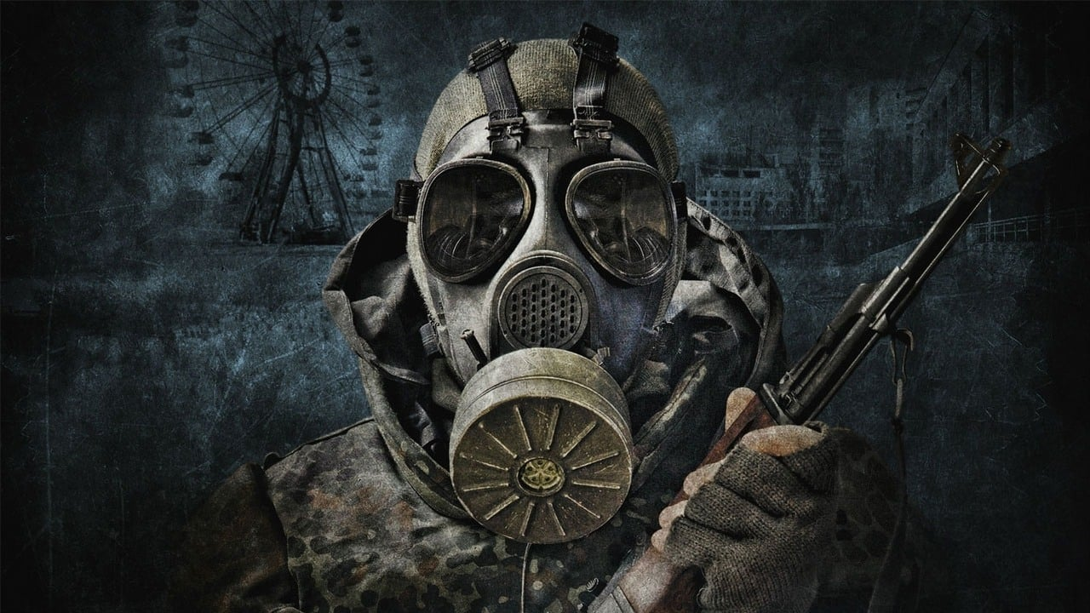

Weapons by regions

Weapons by types

Amors by factions and types

STALKER FRANCHISE |  |  | STALKER GAMMA |  |  |  | ASSUMPTIONS & SOURCES & OTHERS

STALKER is a first person shooter survival horror franchise developed by |  |  | Stalker GAMMA (Gigantic Automated Modular Modpack for Anomaly) is a |  |  |  | The main objective of this project is to ATTEMPT to create the data
Weapons by Loot Table
Ukrainian game developer GSC Game World. The series is set in alternate version |  |  | very popular large modding stalker project developed by Grok and community |  |  |  | analyssis of weapons, armors and loot table present in GAMMA modpack.

of present day Chernobyl Exclusion Zone in Ukraine, where mysterious second |  |  | that aims at providing a balanced survival, scavenging, cooking and repairing |  |  |  | There are 2 main data sources for this project:

Chernobyl distaster took place. As a result, the psychical, chemical and bio- |  |  | focused experience with a long progression and smooth gameplay. You can |  |  |  | 1) GAMMA's discord all items table - you can find a copy of it in path
Open GAMMA github page.
logical processes in the area were altered, spawning numerus nature-defying ano - |  |  | find a direct url to his github repo in left at the bottom. GAMMA consitsts |  |  |  | "~/Gamma Items/Discord_file.xlsx",

malies, artifacts and mutans. The player takes a role of the "STALKER" - |  |  | of years-long hard work and dedication of STALKER community towards |  |  |  | 2) GAMMA loadouts files - they are extracted from gamefiles - you can
What is this page about?
tresspassers and adventourers who have come to explore the exclusion Zone. |  |  | preserving the longevity of the series. GAMMA is based on the another |  |  |  | find them in "~/Loadouts".

